MM Deployment
MEET MINNEAPOLIS & SPORTS MINNEAPOLIS DESTINATION SALES DEPLOYMENT AS OF May 2026 Geographic Deployment based on a) Headquarter Office Location (if there is one) or b) Primary Decision Maker and/or Contract Signor Address. Final Decision will be based upon sales leadership review

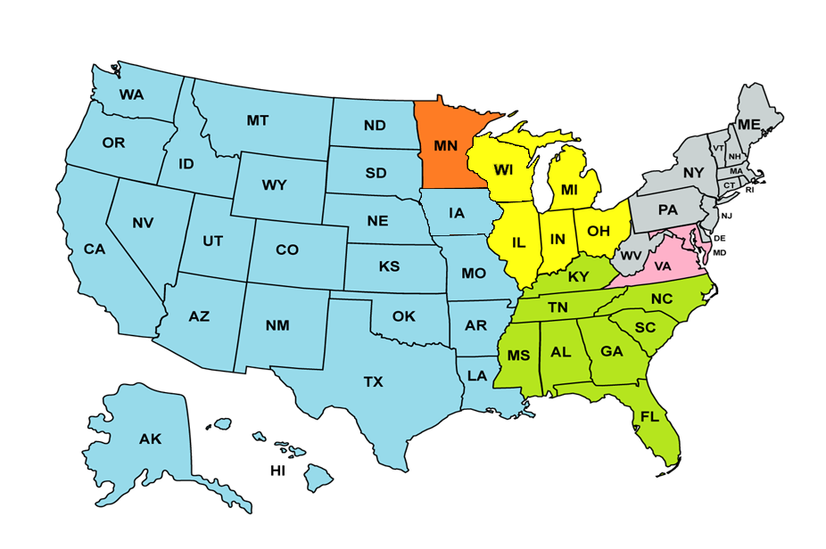
Executive Sales Team
Executive Meetings Nationwide | 10-74 rooms on peak | Team Approach
Executive Meetings West of the Mississippi River | 75-300 rooms on peak | Jessica Towers
Executive Meetings East of the Mississippi River including Wisconsin | 75-300 rooms on peak | Alyssa Ripley
West Regional/National Association & Corporate
West of the Mississippi (excluding MN) | 301+ rooms on peak | Collin O'Brien
MINNESOTA
Minnesota | 75-500 rooms on peak | Jessica Towers
Minnesota | 501+ rooms on Peak | Tom Ruzsa
Upper Midwest National Association & Corporate
Upper Midwest | 301 - Citywide | Sonia Nauss
Northeast National Association & Corporate
Northeast | 301-Citywide | Josh Valasek
Southeast National Association & Corporate
Southeast | 301-Citywide | Madison Rohde
East Coast Team
D.C. (A-M), Maryland A-Z | 301-1400 | Josh Valasek
D.C. (N-Z), Virginia A-Z | 301-1400 | Madison Rohde
DC, Maryland, Virginia | 1401+ | Stephanie Grimaldi
VERTICAL MARKETS
Diversity (LGBT) | 21-200 rooms on peak | Jessica Derrick-Elavsky
Faith-based | 21-200 rooms on peak | Jessica Derrick-Elavsky
Diversity (LGBT) | 201+ Rooms on peak | Isaiah Griffin
Faith-based | 201+ Rooms on peak | Isaiah Griffin
Union | 10+ rooms on peak | Josh Valasek
Sports | 21+ rooms on peak (exluding MNSE events) | Kate Robey
Sports | MNSE Events | Tom Ruzsa
Business Development | 10+ rooms on peak | Roz Dixon
International | 301+ | Collin O'Brien
International | 21-300 | Jessica Derrick-Elavsky
Reunions | 21+ | Alyssa Ripley
Group Tour (Domestic & Canada) | 21+ | Alyssa Ripley

